GIT 2023 2024
Index No | ICT | Statistics | Logic | Total | Average
123 | 75 | 80 | 70 | 225 | 75.00
124 | 60 | 30 | 40 | 130 | 43.33
125 | 45 | 75 | 55 | 175 | 58.33
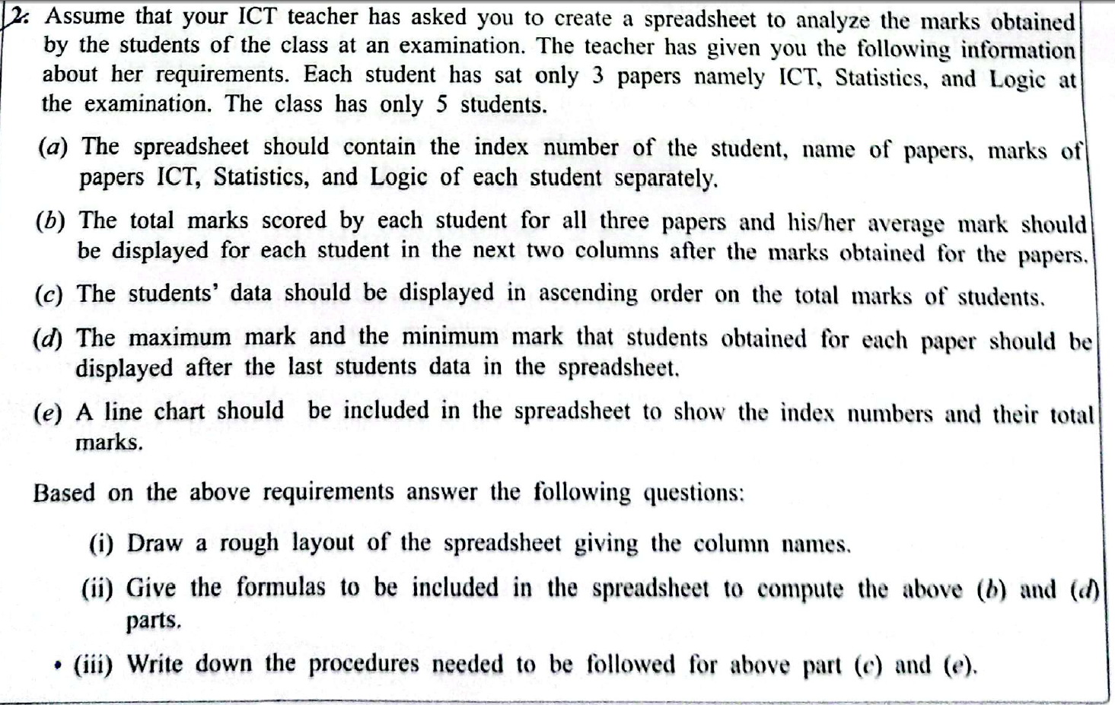
126 | 80 | 70 | 76 | 226 | 75.33
127 | 55 | 55 | 60 | 170 | 56.67
Max | 80 | 80 | 76
Min | 45 | 30 | 40

Model Question
Book Title | Unit Price | Quantity | Total Revenue | Discount | 10%
Children's | 500 | 20 | 10000 | 1000
Novels | 800 | 15 | 12000 | 1200
Poetry | 350 | 20 | 7000 | 700
History | 400 | 40 | 16000 | 1600
Science | 650 | 25 | 16250 | 1625
Maximum |  | 40
Minimum |  | 15

 | Total Revenue
Children's | 10000
Novels | 12000
Poetry | 7000
History | 16000
Science | 16250

